Guideline
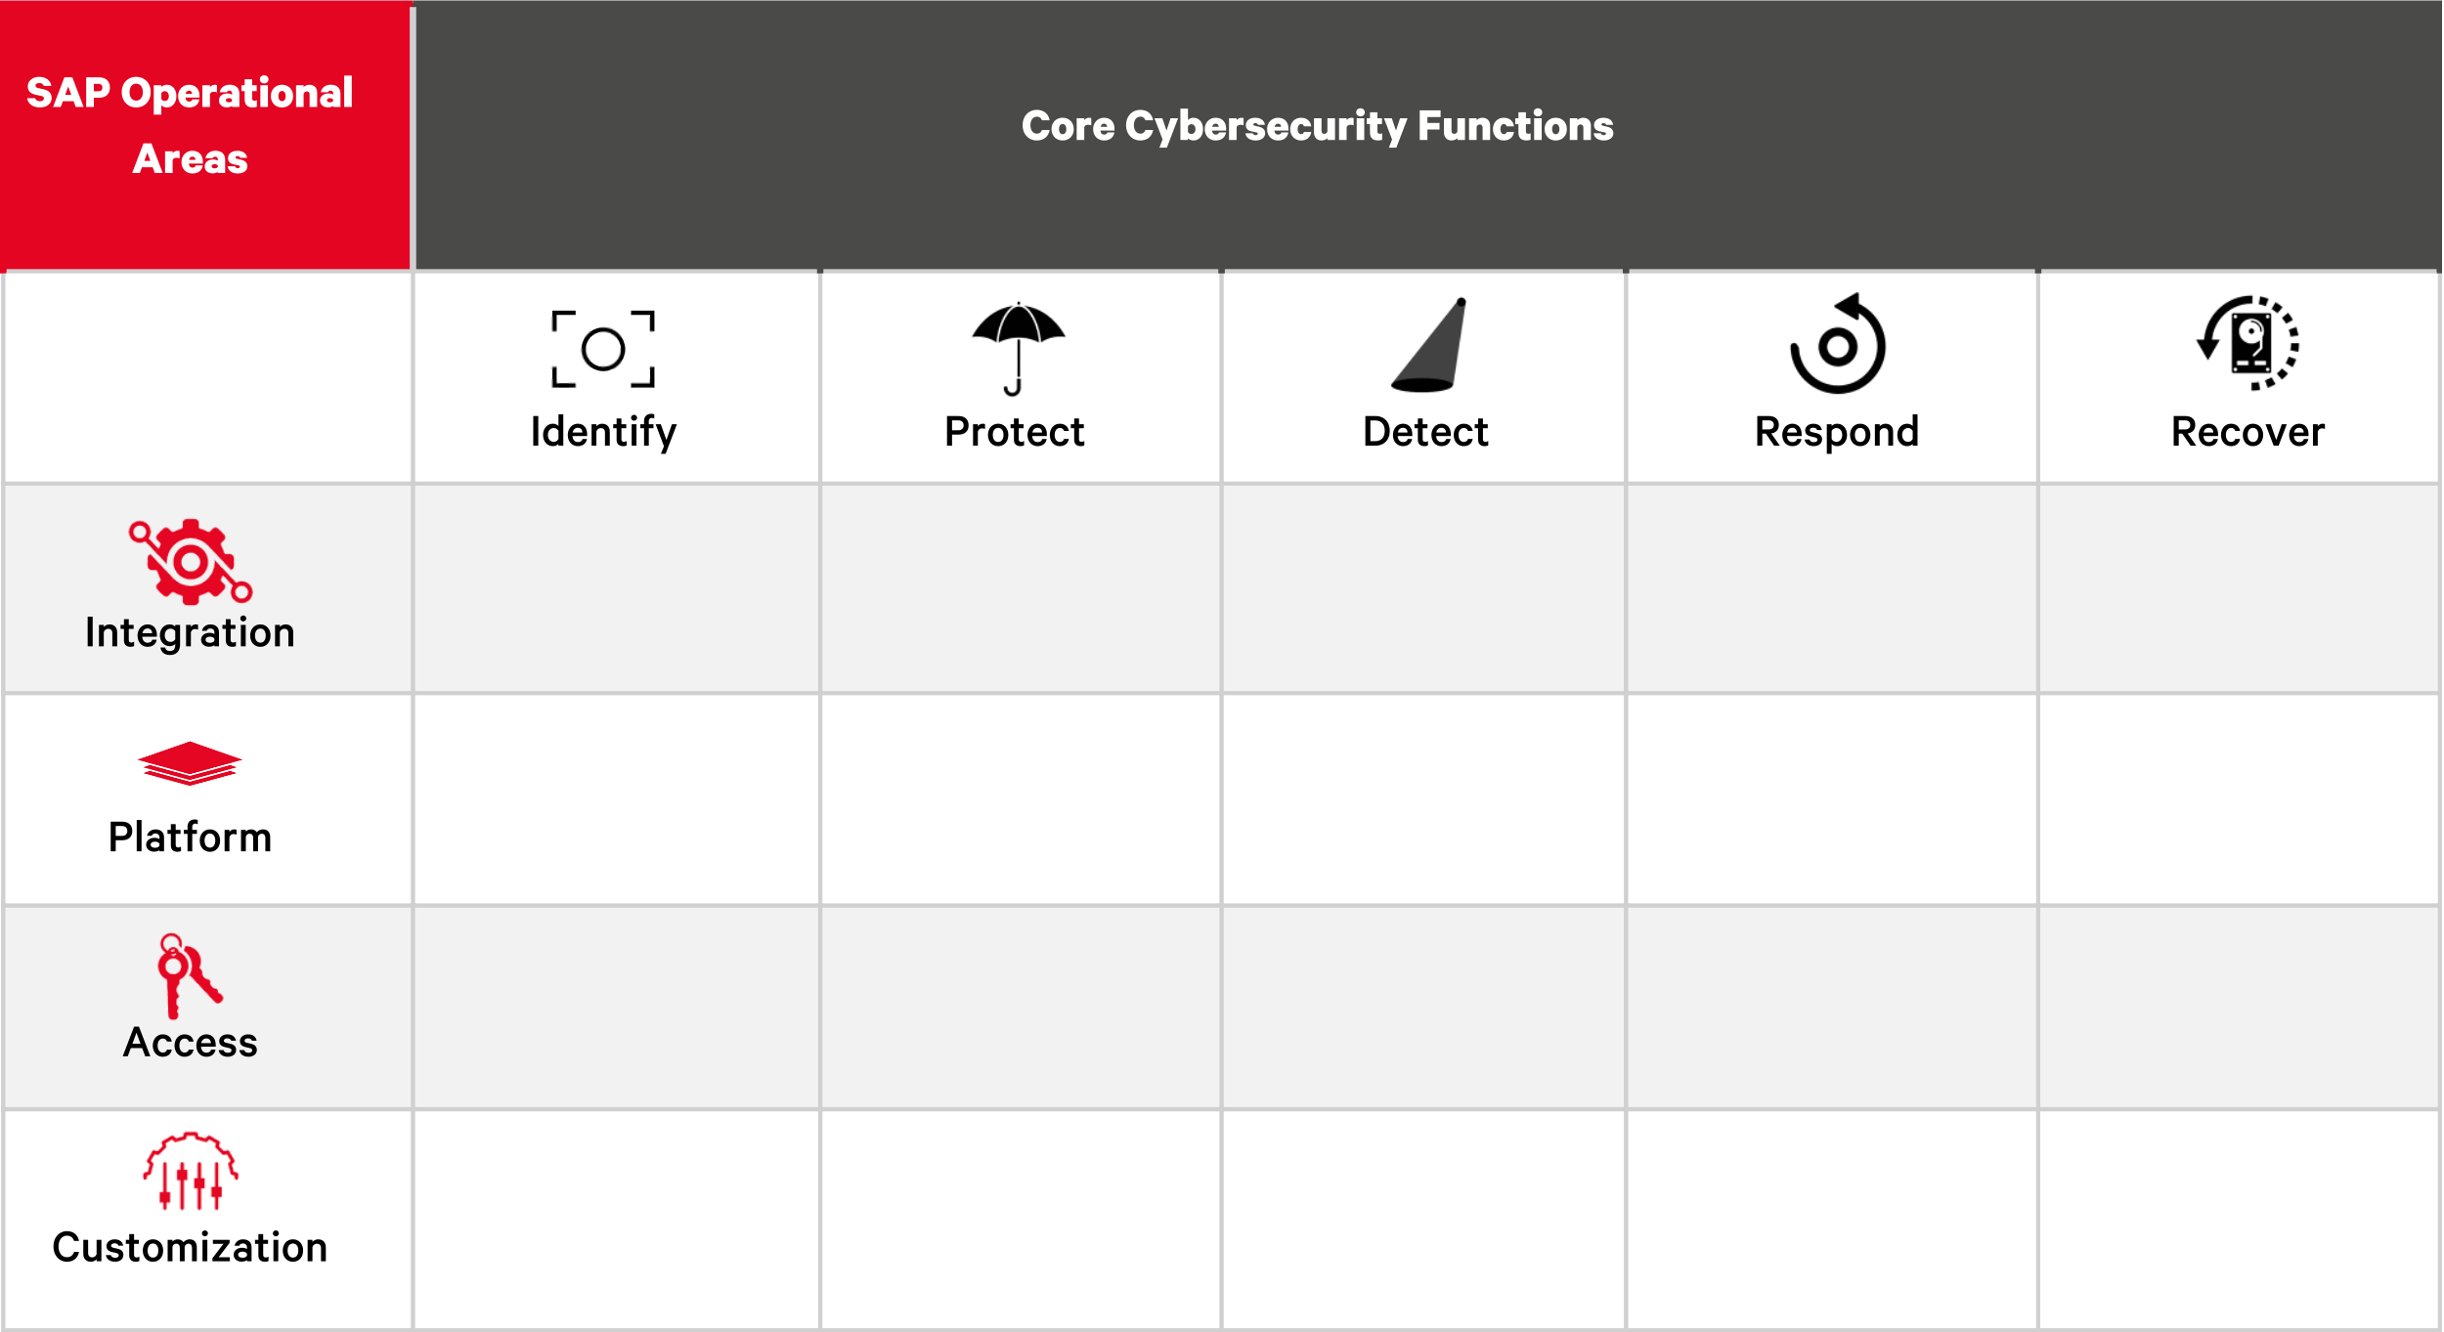
Version | 0.2
License | Creative Commons Attribution Share Alike 4.0 International
Authors | Waseem Ajrab & Marco hammel
Introduction:
Controls that have been created for the SAP Security Verification Standard (SSVS) are derived from the three standards and baselines mentioned in the below section. The mapping between the different standards help us to avoid redundant controls and enable organizations to identify controls that are complaint with the overall cybersecurity strategy by referencing NIST SP 800-53, CIS CSC, COBIT 5, ISA 62443, and ISO/IEC 27001.
CIS CSC - Cente for Internet Security Critical Security Controls
COBIT - Control Objectives for Information and Related Technlogy
ISA 62443 - Standards on industrial communication networks - IT security for networks and systems
Standards and Baselines:
The mappings defined in this document are based on the three below standards and baselines:
- German Federal Office for Information Securiy (BSI) APP 4.2: SAP-ERP System
- Framework for Improving Critical Infrastructure Cybersecurity Version 1.1 - NIST
- SAP Security Baseline V 2.4
Sheets:
The explanation of the different sheets found in the document is shown below:
1. NIST CSF Mapping - the sheet represents the applicability of NIST categories and controls against SAP environments and maps each NIST subcategory to an IPAC area (IPAC model explained below).
2. BSI Mapping - the sheet represents the mapping done between the BSI standards of an SAP-ERP system, NIST function, IPAC area, and NIST category.
3. SAP Security Baseline Mapping - the sheet represents the mapping done between the SAP security baseline, NIST function, IPAC area, and NIST category.
4. Maturity Model Controls - all controls derived from the three mappings and additional controls that have been assigned to maturity level 1.
The NO MONKEY Security Matrix
NO MONKEY Security Matrix, combines elements of the security operational functions, defined by NIST, and the SAP operational areas, defined by NO MONKEY and explained below, into a functional graph.
Further information about the NO MONKEY Security MAtrix ca be found in the following link: https://www.no-monkey.com/sap-security-matrix/.
SAP Operational Areas:
NO MONKEY has defined four different operational areas to focus security topics for core business applications. The areas are:
> Integration: focus of different integration scenarios within systems themselves, as well as third-party tools integrating with a core business application environment, including proprietary as well as non-proprietary communication protocols and interfaces. Topics include secure architecture, security design, and general security operation concepts.
> Platform: consideration of the vulnerabilities, hardening, and configuration of the core business applications. Includes the review of security features and weaknesses in the software's operations, setup, and security management.
> Access: consideration of access control and user authorizations measures and methodologies of core business applications.
> Customization: consideration of the customization of core business applications - including change management, custom code, business customizing, legacy interfaces, and add-ons.

